TCP
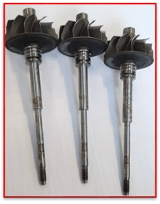
PLANT TO PLANT TOPICS - COMPONENT LEVEL TWS

0 km complaints - New Topics (comparing to previous month) | Topic | Customer | Project | No of nonconforming parts | Repeated issue | D3 | D4 | D5 | D6 | D7 | Complaint / Issue | Root Cause | Responsible | Measures | Risk | Status | LL
 | 1 |  |  |  |  | 2 | 0 | 0 | 0 | 0 |  |  |  |  |  | 2
 | 2
 | 3
 | 4
 | 5
Top 2
Top 4
Top 5
Top 1
Top 3

 | 0
 | 1
 | 2

